RandomForestClassification(RFC)
RANDOM FOREST CLASSIFICATION

Difference in Random Forest & Decision Tree's Hyper Parameter RANDOM FOREST is basically ensemble of Multiple Decision Trees That's why all hyper parameters in Random Forces is identical to Decision Trees 's Hyper Parameters EXCEPT Following Hyper Parameters. →1.No of Estimators →2. Feature in Subset →3.Bootstrapping →4.Out of Bag Error

 | s

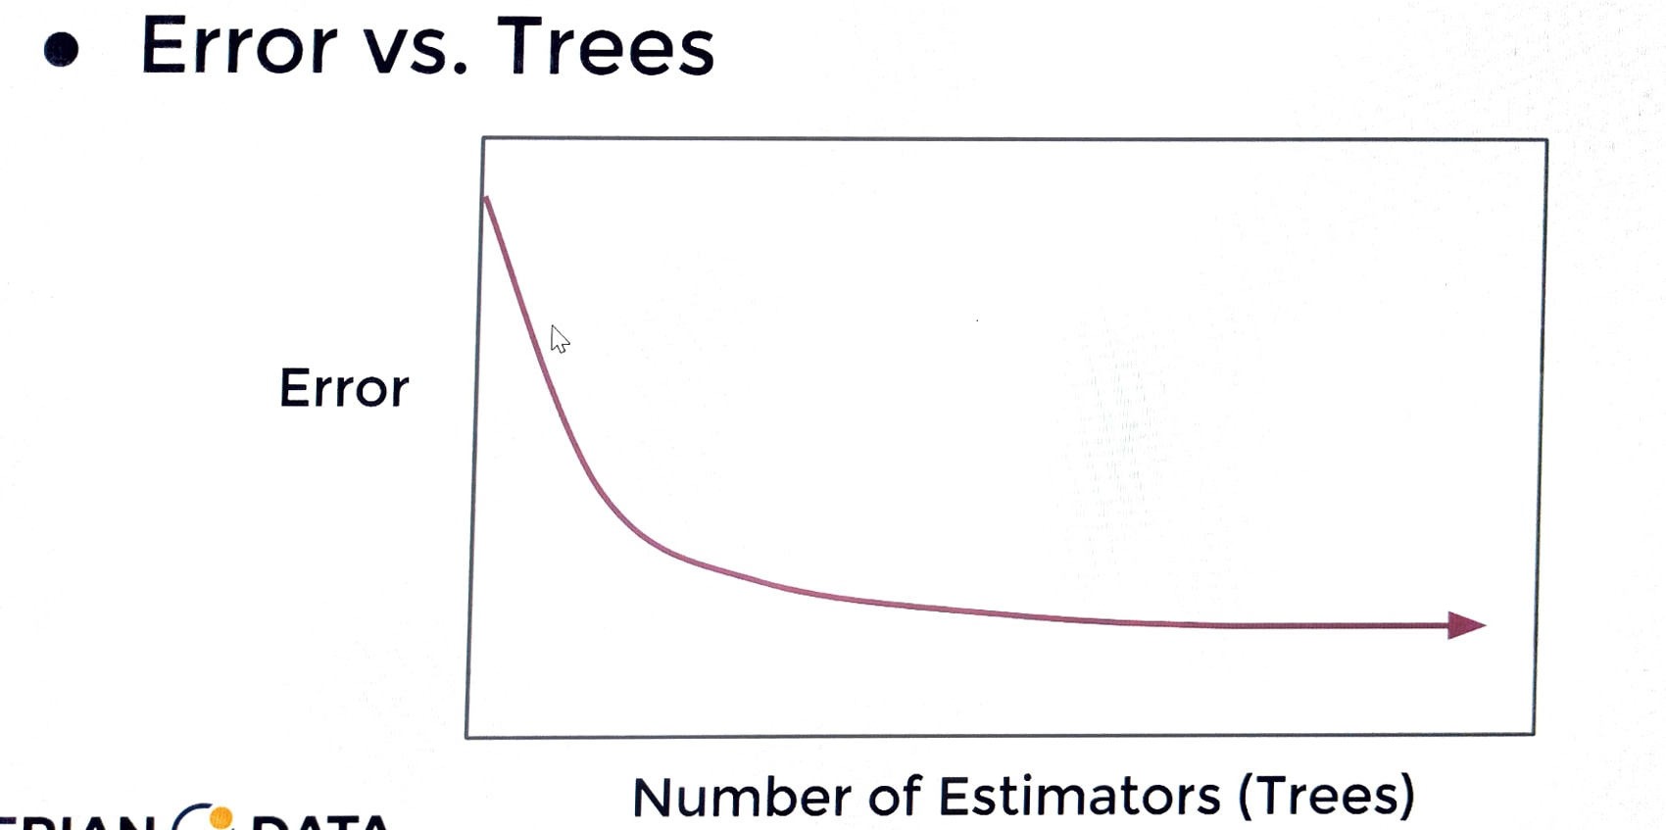 RANDOM FOREST HYPER PARAMETERS 1. No of Estimators--> MEANING --> How Many Decision Trees to use total in forest <-->How To choose Number of Trees? Reasonable Default Value:100 →Publication Suggest 64-128 Trees →Cross Validate a grid search of trees. →Plot Error versus number of trees.(Similiar to elbow method of KNN) →You will Notice Diminishing error reduction after some (n) trees.

2. No of Features--> <-->How many features to include in each subset at the time of split. -->Original Publication suggested subset of log2(N+1) random features in subset given a set of N total features. -->Current Suggested convention is sqrt(N) in the subset given N features. -->Later suggestions by Breiman Indicated N/3 may be more suitable for regression tasks , typically larger than sqrt(N). -->ISLR indicated this should be treated as a tuning parameter , with sqrt(N) as a goos starting point. 3.Bootstrap Samples-->true(default) <-->Allow For Bootstrap Sampling (Random Sampling With Replacement) of each Training Subset of Features. -->To Further Differentiate Tree ,Bootstraping is another hyper parameter mean to reduce correlation between trees, since trees are then trained on different subset of feature colummns & data rows. -->This results in two randomized training components. <---> Subset of Features Used. <---> Bootstrapped rows of data. 4.Out of Bag Error-->False(default) <-->Calculate OOB error during training? -->If we performed bootstraping when building out trees , this means that for certain trees, certain rows of data were not used for training that data become test data & We can actually calculate it's error on this data that it's never seen before. --> Definition for OOB Error --> Not used for constructing some trees. -->We could use these to get performance test metrics(Like MSE,RMSE) on trees that did not use these rows.

